Notes_Technologies Learned
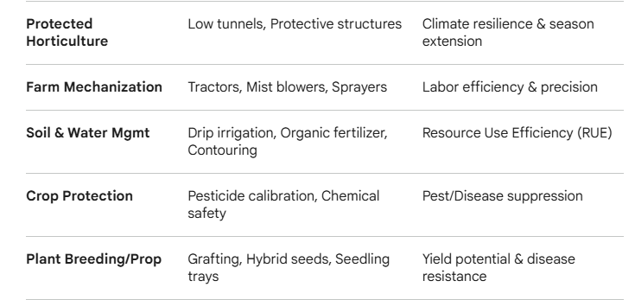
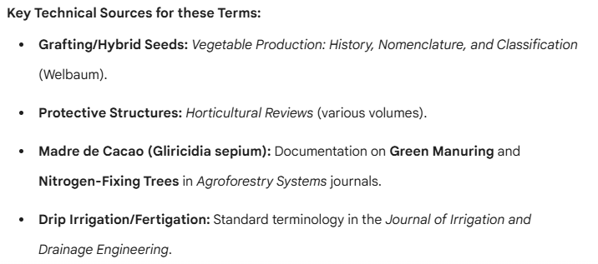
These categories reflect modern Integrated Crop Management (ICM) and Climate-Smart Agriculture (CSA) frameworks.

1. Protected Cultivation & Infrastructure

These technologies focus on modifying the microclimate to protect crops from abiotic stress (weather) and biotic stress (pests).

Protective Structures / Tunneling: Establish a low tunnel, "mag atop sa uma" (tunneling), and general protective structures.

Seedling Management: Use of seedling trays (nursery management for better vigor).

2. Mechanization & Engineering

This category covers the transition from manual labor to machine-assisted efficiency, focusing on soil preparation and application.

Land Preparation: Tractor, hand tractor, and "tractor that can directly plant."

Application Tools: Mist blower, sprayer (chargeable).

Precision Layout: How to do plotting in the farm; how to do a contour (erosion control).

3. Resource Management (Water & Nutrients)

Scientific journals often categorize these under Fertigation and Soil Science.

Irrigation: Drip irrigation systems.

Soil Fertility: Fertilizer management, making organic fertilizer, and using Gliricidia sepium (Madre de Cacao) as green manure/fertilizer.

Bio-Inputs: Bio-organic applications.

4. Crop Improvement & Phytosanitary Practices

These involve the biological manipulation of plants and the chemical/biological protection of their health.

Propagation: Grafting (widely used in vegetables like eggplant/tomato to resist soil-borne diseases).

Genetics: Use of hybrid seeds.

Integrated Pest Management (IPM): Accurate use of pesticides, combining pesticides, and "correct use of chemicals" to control insects and diseases.

5. Agronomic Fundamentals

These are the core cultural practices that dictate plant population and field success.

Planting Geometry: Proper distance of plants (spacing for optimal growth).

General Husbandry: How to plant the crop; how to improve planting techniques.

